Sheet0
Q&A Report: | IEA SHC Solar Academy: Solar Heating and Cooling Market and Industry Trends 2018

Questions Asked (#) | Questions Answered (#)
72

Question Asked | Answer Given
To Bärbel: Thanks very much for the webinar, congratulations for all the speakers, Jesus Arce From TecNM/CENIDET mexico, wants to know about how to encrease the policy suport from Goverment and educational sector | Bärbel: Mexico has already very good support structure, you can read more about it here: https://www.solarthermalworld.org/content/mexico-new-idea-exchange-solar-process-heat
Hello Pedro, I would like to know the best way to do business in the Middle and who are the right criteria for the contacts that we should consider. | Pedro: I assume it is referring to Middle East. It is not our role to provide this kind of input. Though I’d just refer that besides knowing well the local market, you or your potential partners should be well informed about local product certification requirements, as these are quite demanding/specific in some of the countries.
Please Could tell us if there is any IEA program on Industrial solar thermal utilization in sub-Saharan Africa- Ben Abikoye | Bärbel: There is/was support for SHIP Systems on a case to case study in South Africa by Soltrain, see: https://www.solarthermalworld.org/content/first-sdh-system-sub-saharan-africa
To Bärbel: Does Solar Cooling still being an attractive application for solar thermal? | Bärbel: Solar thermal cooling seems to be attractive when parallel to driving the chiller the solar thermal system is used directly for heating water or space heating over the year. But the number of realised projects in Europe are small: https://www.solarthermalworld.org/content/solar-cooling-intersolar-2019
To Bärbel: How do they calculate the dimension of a solar thermal market in one country? | Bärbel: We rely on the figures of the national industry associations in most countries and they carry out surveys among the collector manufactures and estimate imports
how can we be members in iea if our country is nor, and this project | Bärbel: if you want your country to be come member of the IEA SHC programme, then you should contact the secretariat of IEA SHC for further information; Pamela Murphy at secretariat@iea-shc.org
For Mr. Werner- slide 10- are figures of installed capacity and energy generation from bio-energy available for comparison? | Answer Werner Weiss: We don't have access to an global annual statistic for new installed biomass heat systems. I'm not aware that something like this exists for the biomass heat sector.
Hi, question for Thomas Ramschak: how are PVT usually coupled with Heat Pumps? "Simply" in parallel, or somehow connected in a deeper way? E.g. PV electricity used for the HP, or HP used to increase the temperature of the fluid heated by the solar thermal part. Thank you, Marco Calderoni | Answer Ramschak: There are three main categories for combining PVT collectors and heat pumps : • Series (S): The PVT collector acts as (one of) the source(s) to a heat pump • Parallel (P): The PVT collector and heat pump can supply the heat independently to e.g. a storage. • Regenerative (R): The heat produced by the PVT collector is used to regenerate the ground or another main source of the heat pump. | höhere Energieausbeute pro Quadratmeter von PVT-Anlagen geht zu Lasten höherer Energiekosten als bei herkömmlichen Side-by-Side-Anlagen. In der jetzigen frühen kommerziellen Phase sind PVT-Kollektoren wirtschaftlich noch nicht wettbewerbsfähig.
Besides the best use of space, what other gains can a PVT system offer? | Answer Ramschak: • increase the overall performace of a HP-system • efficient regeneration of groundsources • PVT collectors can be the only source for HPs • …
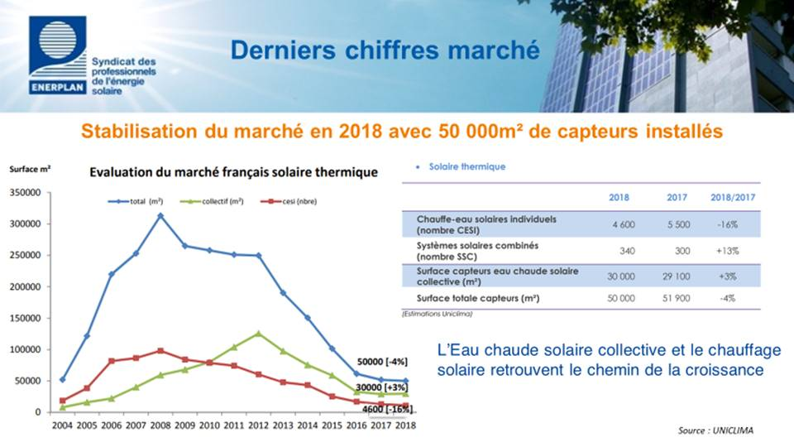
Question to Werner, You have mentioned that solar cooling projects are much fewer than solar heating projects. what are the reasons for that? Thanks | Answer Werner Weiss: Solar heating systems are in a lot of applications competitive with other heat technologies. Solar thermal driven cooling systems are rather complex and are at the moment just competitive for medium to large-scale systems. Furthermore only a small number of companies are offering solar thermal driven cooling systems on the market. Please find more detailed information at: http://task48.iea-shc.org/ and at: http://task53.iea-shc.org/
Poland: big growth. Is it due to District Solar Heating (like Denmark)? | Answer Werner Weiss:The growth in Poland is not based on solar district heating systems. It is manly based on small scale systems.
France: you mentioned a 2% growth of solar market. here I suppose there is a big disalignment because I have information about a dramatic decrease (-60%) | Bärbel: The figures of France were provided by Enerplan and are officially published by this association.
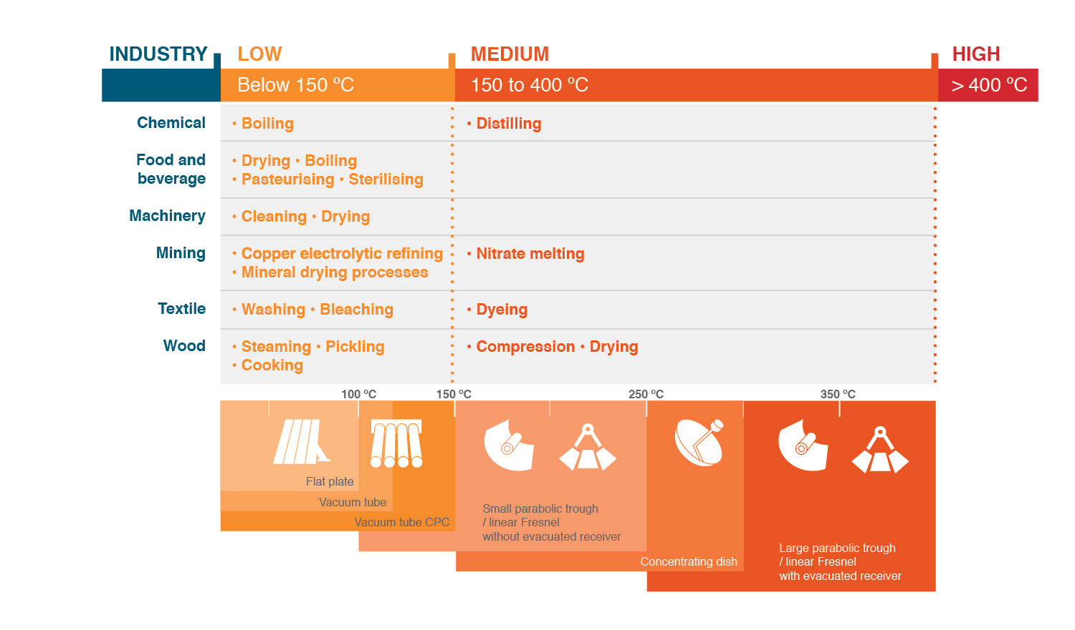
Werner: Thank you for the succint and helpful summary of the latest Solar Heat Worldwide report. I would be interested to hear a little bit more about the data that was fed into the report: (1) How was the data collected? (2) To what extent, if any, can the data be disaggregated at sub-national levels, e.g. at a city-level? (3) Can the raw data be accessed publicly, and if so, how? Many thanks! - Nicholas from UC Berkeley | Answer Werner Weiss: Please download the Solar Heat Worldwide report: https://www.iea-shc.org/solar-heat-worldwide On the pages 76 - 81 you will find references to reports and persons who have provided the data for the 68 countries. The data are collected via a standardized questionnaire. You find all detaild adta for each of the 68 countries in the report, but not on city level. The raw data are not accessible for the public, but you find the time lines if you download all 15 reports from the IEA SHC website
Baerbel: Thank you for your very interesting presentation. I'd have a question on slide 25: does this mean that solar theamal technology is being used to facilitate more oil production? Thanks! -Nicholas from UC Berkeley | Bärbel: Glasspoint has specialised on SHIP technology for enhanced oil recovery and they have already 500 staff in California and they will for sure sell more solar steam systems to oil producers around the world
Are there any companies producing solar collectors which can heat thermal oil above 250degC for industrial processes | Bärbel: Fresnel collectors and parabolic trough collectors can heat thermal oil above 250 °C, have a look at the chart on the right
Bärbel - Why are there not many 50-100 kW solar thermal installations.Mostly only single house systems or big solar farms are being sold. | Bärbel: I am sure that a lot of 50 to 100 kiW systems are sold for example for hotels in the mediterranean region etc. but we have difficulties to track them, so we concentrate in the statistics of large-scale on systems above 350 kW, but this is only because they are easier to identify.
Does solar cooling play a role? If so what are the obstacles or drivers?
Werner Weiss, what is the difference between Solar thermal heat and Solar thermal power (slide 10) Leo Holm | Answer Werner Weiss: Solar thermal heat summarizes all solar thermal systems, that produce heat and where the application is also heat. Solar thermal power are solar thermal systems that use the produced heat to generate electricity.
Some of developing countries not reflected have good regulations on solar water heating. What is the greatest challenge having them count in the statistics? What needs to be done to have them count in the statistics? | Pedro: One of the starting points would be to have reliable data sources about the market and published statistics, showing the evolution but also an overview of the total installed capacity. After that there would be likely additional information required, but that would be a starting point.
In addition to solar absorption systems, do we have adsorption systems joining the cooling market?
Thanks for the presentation. A question for Thomas: Any report from refrigerant filled PVTs? | Answer Ramschak: Unfortunately I have not been able to get information on that topic
What advocacy is there to sensitise world community on the insufficient or no policy for solar thermal utilization | Pedro: At political level, there is awareness about the potential of ST. Renowned entities such as IEA, IRENA, REN21 have several reports addressing solar thermal and its potential. I think that our main difficulty is to bring that to the national level, as the advocacy/lobby capacity of our sector in most countries is extremely limited. We have worked with UNEP to put some fatsheets and guides to help other countries to do such work. You can find them at: http://solarheateurope.eu/publications/guides-factsheets/
What is the scope of Solar energy Applications in Pakistan ? | Pedro: We don’t have info on Pakistan, but I’d suggest an article from a couple of years ago that can give you some hints. https://www.solarthermalworld.org/content/pakistan-unido-suggests-policies-renewables-industrial-applications
To Thomas (?) In case to be interested in developing a PVT projekt for the cement industry, would this type of system offer an interesting LCOE? | Answer Ramschak: This question cannot be answered in general. It depends on a lot of boundary conditions (e.g. Temperaturelevel, PVT-collector, demand …)
To Thomas (?) Which are the LCOE of these systems? | Answer Ramschak: LCOE depends on a lot of boundary conditions. An alalysis can be found in http://publica.fraunhofer.de/eprints/urn_nbn_de_0011-n-5377297.pdf
How much does the efficiency of the PV system increase due the thermal system (that extracts the heat)? | Answer Ramschak: PV cells operate more efficiently at low temperature as the electrical efficiency in silicone-based PV cell technologies drops by -0.1 %rel to -0.5 %rel per Kelvin of increased cell temperature. The increas depends on the system and mean operation temperatures
In terms of costs, what makes more sense if you count with enough space for the installations: a) to install a PVT, or b) to install a PV system and a solar thermal system separated? | Answer Ramschak: Installation costs often take up quite some budget, ranging from 15-40%. However, combined installation of the electrical and thermal system can reduce peripheral costs and therefore the installation costs of a PVT system can eventually become lower than the sum of installing a PV and solar thermal system of the same size
I notice that your report doesn't show too much activity in the Latin American countries. Why is that? | Answer Werner Weiss: This is mainly du to the fact that there are no official statistics in other countries available or we don't have contact to a research institute or another institution that collects the data. If you are aware of institutions or persons, who can provide reliable data we would be happy to include more countries from Latin America.
Are there also in the market companies that offers something similar to PPA but in term of kW thermal?
to Ms Epp : do the results of the Industrialist surveys (about their difficulties to contract HPA) are in the Solrico Report ? | Bärbel: Find the results on the SHIP supplier survey in two news on solarthermalworld,org: https://www.solarthermalworld.org/content/heat-supply-contracts-popular-hard-implement https://www.solarthermalworld.org/content/mexico-china-and-india-lead-global-ship-market
Do you have some examples of industrial air solar heating systems | Bärbel: You find a lot of SHIP plants here: www.SHIP-Plants.info
Does the speaker have any idea what caused the massive growth of solar thermal in Poland and Denmark? | Bärbel: this question was answered during my presentation at the end of the webinar, listen to the recording again
Thank you, one more question. Can the presenters let us know of lists or case studies of plants using solar heating in industrial applications within the United States? I checked the report and couldn’t find this information in there. | Bärbel: There are very few plants in the US for SHIP. On solarthermalworld.org we have reported about three: https://www.solarthermalworld.org/content/california-gets-850-mw-solar-steam-plant-enhanced-oil-recovery https://www.solarthermalworld.org/content/usa-solar-steam-installation-californias-pistachio-harvest https://www.solarthermalworld.org/content/usa-concentrated-solar-thermal-biosolid-drying
Q. to Werner: India is the third largest growing solar thermal market. But countries like Mexico, Germany, France have large cumulative installations. Please throw more light on this graph. | Answer Werner Weiss: Thank you for this hint. We could consider to present the growth rate of all Top 20 countries in the 2020 edition of the report.
What is PVT growth forecast for next 5 years? Which segments have most potential? | Answer Ramschak: Unfortunately I dont know any studies about PVT growth forecast.
witch countries of latinoamerica have eally potencial for invest in thermal and pv solar energy?
To Bärbel Epp: Do you know the Levelized cost of CO2 saving for activities happening in Oman? | Bärbel This is the best paper I know about the Oman project with a lot of cost figures: https://www.businesswire.com/news/home/20171004005453/en/GlassPoint-Presents-New-Cost-Saving-Results-Gigawatt
on PVT I notice that the electrical energy is about 3% of the Heat Energy. Any estimated costs for comparing separate systems (thermal and PV) to this hybrid system | Answer Ramschak: There are a few studies available: http://publica.fraunhofer.de/eprints/urn_nbn_de_0011-n-5377297.pdf PVT inSHaPe benchmark 2017
Do we see ourselves attaining 100 % Renewable Energy in Future when Renewable Energy (Solar Thermal) is used to aid extraction of oil? | Pedro: Even though it looked like a rhetoric question, the future of oil does not depend on it using solar thermal to extract. But that certainly makes the case of the advantages of solar thermal, as even oil companies are using it in to support their extraction processes.
To Thomas : PVT Solar air systems : is the heat really used in thermal system (for example in summer ?) or maybe it is just for the cooling of PV module and improve electrical efficiency ? Your opinion ? | Answer Ramschak: In practice, PVT air collectors are mainly used in open circuit systems. Outside air is drawn in with the aid of fans and fed behind the PV cells. The heated air is often used directly for space heating or ventilation in buildings. The same system configuration can be used in the summer for cooling the building at night.
We had studied the use of PVT on a project some years ago. Our conclusion was that the performance was not good for PV or Thermal, so we seperated the different systems to get better efficiency, as installation area was not an issue. Have the performance/efficiency of PVT Systems increased over the last 5 years | Answer Ramschak: We see that there are a lot of start ups und they realy have designed and optimised products. But I don't know of any compariso.
evacuated tubes are more efficient than flat panel, how come they are not used as much? | Answer Werner Weiss: If you look on the overall world market evacuated tubes are dominant - see pages 34 - 37 of the report.
residential installations would have a huge impact, why not focus more effort. | Pedro: Indeed residential is by far the main market for solar thermal. But it is also better known. I believe the idea was to provide more insight into new market segments that have been growing.
solar thermal batteries, why are not mentioned? | Pedro: The question of thermal storage is indeed essential for solar thermal and the energy sector. There is not enough awareness about the potential of such enablers. I think this is an interesting topic to consider addressing in the future.
Werner Weiss: Why is Mexico so prominent in new industrial solar heating installations?
why is yield so poor for solar thermal | Pedro: Can’t really answer, as we’d need first to understand what would be the term of comparison
how will u compete with pv heat pump hrg and cooling solutions | Pedro: There is not a combined approach on how to tackle this issue and it will depend a lot on the situation in the specific markets. For instance, In Europe most countries are backing out on feed-in tariffs and some introduced connection fees for PV, charging for using the grid as “storage”, which is changing the attractiveness of such solutions. On a more general note, there are more challenges than just such combinations. The energy sector, including at the residential level, is changing at an unprecedented pace in the last half century. Solutions in the market are always evolving and competition changing. Each company, working on solar thermal or other have to cope with such challenges, which are not uncommon in different sectors.
Would be helpful to see technical diagram of each technology type - eg covered vs uncovered...
how does the electrical generation of the different PVT systems compare with the same area of conventional solar PV? | Answer Ramschak: A comparisson can be found in http://publica.fraunhofer.de/eprints/urn_nbn_de_0011-n-5377297.pdf

